Variable Assumptions
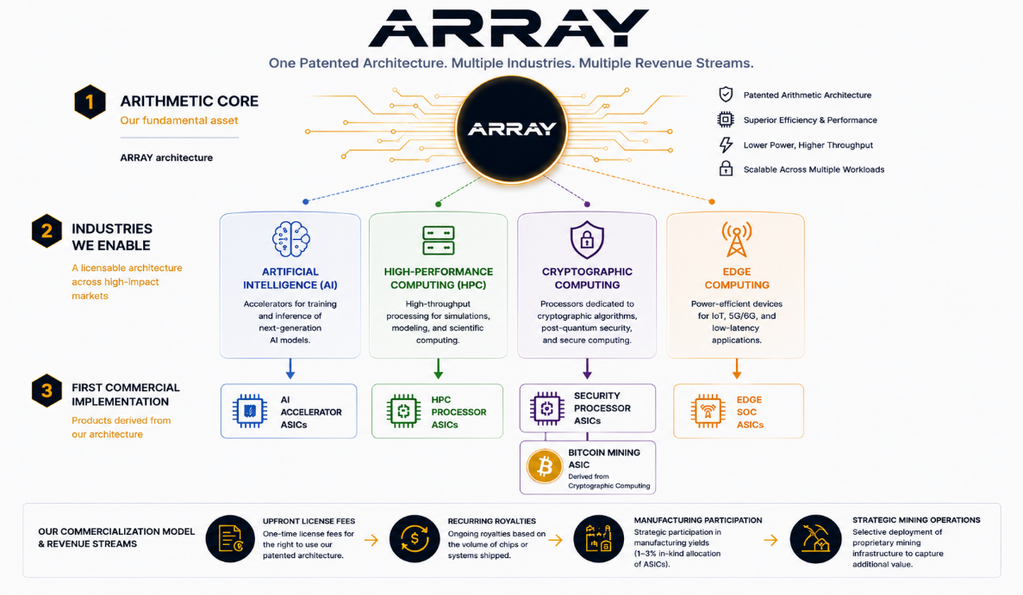
VARIABLE ASSUMPTIONS FOR : ARRAY Architecture prototype

Scenario Selection

 |  | 0
Market tier | Tier 1: High-Performance

Target Vertical | Bitcoin & Crypto Mining

